art
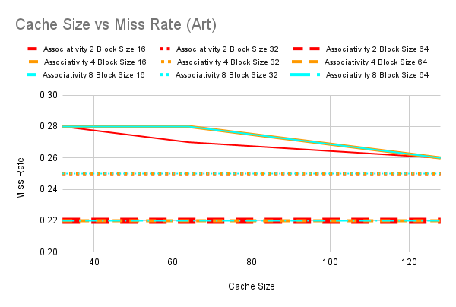
0.28 | 32 | 2 | 16
0.27 | 64 | 2 | 16
0.26 | 128 | 2 | 16
0.25 | 32 | 2 | 32
0.25 | 64 | 2 | 32
0.25 | 128 | 2 | 32
0.22 | 32 | 2 | 64
0.22 | 64 | 2 | 64
0.22 | 128 | 2 | 64
0.28 | 32 | 4 | 16
0.28 | 64 | 4 | 16
0.26 | 128 | 4 | 16
0.25 | 32 | 4 | 32
0.25 | 64 | 4 | 32
0.25 | 128 | 4 | 32
0.22 | 32 | 4 | 64
0.22 | 64 | 4 | 64
0.22 | 128 | 4 | 64
0.28 | 32 | 8 | 16
0.28 | 64 | 8 | 16
0.26 | 128 | 8 | 16
0.25 | 32 | 8 | 32
0.25 | 64 | 8 | 32
0.25 | 128 | 8 | 32
0.22 | 32 | 8 | 64
0.22 | 64 | 8 | 64
0.22 | 128 | 8 | 64
Overall Miss Rate | Cache Size | Associativity | Block Size

mcf
Y | X | Color | Line
0.54 | 32 | 2 | 16
0.52 | 64 | 2 | 16
0.51 | 128 | 2 | 16
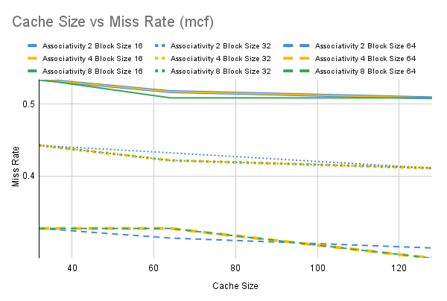
0.44 | 32 | 2 | 32
0.43 | 64 | 2 | 32
0.41 | 128 | 2 | 32
0.34 | 32 | 2 | 64
0.33 | 64 | 2 | 64
0.32 | 128 | 2 | 64
0.54 | 32 | 4 | 16
0.52 | 64 | 4 | 16
0.51 | 128 | 4 | 16
0.44 | 32 | 4 | 32
0.42 | 64 | 4 | 32
0.41 | 128 | 4 | 32
0.34 | 32 | 4 | 64
0.34 | 64 | 4 | 64
0.31 | 128 | 4 | 64
0.54 | 32 | 8 | 16
0.51 | 64 | 8 | 16
0.51 | 128 | 8 | 16
0.44 | 32 | 8 | 32
0.42 | 64 | 8 | 32
0.41 | 128 | 8 | 32
0.34 | 32 | 8 | 64
0.34 | 64 | 8 | 64
0.31 | 128 | 8 | 64
Overall Miss Rate | Cache Size | Associativity | Block Size

swim
Cache Size vs Miss Rate (swim)
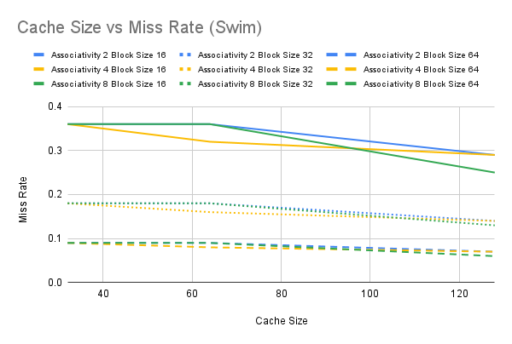
Overall Miss Rate | Cache Size | Associativity | Block Size
0.36 | 32 | 2 | 16
0.36 | 64 | 2 | 16
0.29 | 128 | 2 | 16
0.18 | 32 | 2 | 32
0.18 | 64 | 2 | 32
0.14 | 128 | 2 | 32
0.09 | 32 | 2 | 64
0.09 | 64 | 2 | 64
0.07 | 128 | 2 | 64
0.36 | 32 | 4 | 16
0.32 | 64 | 4 | 16
0.29 | 128 | 4 | 16
0.18 | 32 | 4 | 32
0.16 | 64 | 4 | 32
0.14 | 128 | 4 | 32
0.09 | 32 | 4 | 64
0.08 | 64 | 4 | 64
0.07 | 128 | 4 | 64
0.36 | 32 | 8 | 16
0.36 | 64 | 8 | 16
0.25 | 128 | 8 | 16
0.18 | 32 | 8 | 32
0.18 | 64 | 8 | 32
0.13 | 128 | 8 | 32
0.09 | 32 | 8 | 64
0.09 | 64 | 8 | 64
0.06 | 128 | 8 | 64

